Instructions
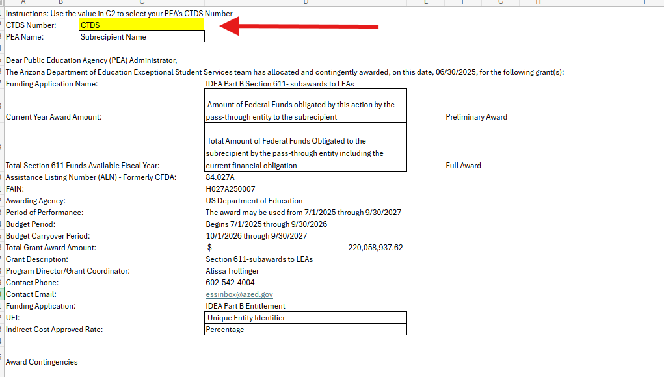
Type or use the drop down menu to find the public education agency CTDS number.
The sheet will autopopulate the values for award amounts, UEI, and indirect cost rates.
Print the report or save as PDF.
For questions, please contact essprogmgmt@azed.gov

Section 611
Type or use the drop down menu to find the public education agency CTDS number.
The sheet will autopopulate the values for award amounts, UEI, and indirect cost rates.
Print the report or save as PDF.
For questions, please contact essprogmgmt@azed.gov
Instructions: Use the value in C2 to select your PEA's CTDS Number
CTDS Number: | CTDS
PEA Name: | Subrecipient Name

Dear Public Education Agency (PEA) Administrator,
The Arizona Department of Education Exceptional Student Services team has allocated and contingently awarded, on this date, 06/30/2025, for the following grant(s):
Funding Application Name: |  | IDEA Part B Section 611- subawards to LEAs
Current Year Award Amount: |  | Amount of Federal Funds obligated by this action by the pass-through entity to the subrecipient | Preliminary Award
Total Section 611 Funds Available Fiscal Year: |  | Total Amount of Federal Funds Obligated to the subrecipient by the pass-through entity including the current financial obligation | Full Award
Assistance Listing Number (ALN) - Formerly CFDA: |  | 84.027A
FAIN: |  | H027A250007
Awarding Agency: |  | US Department of Education
Period of Performance: |  | The award may be used from 7/1/2025 through 9/30/2027
Budget Period: |  | Begins 7/1/2025 through 9/30/2026
Budget Carryover Period: |  | 10/1/2026 through 9/30/2027
Total Grant Award Amount: |  | $220,058,937.62
Grant Description: |  | Section 611-subawards to LEAs
Program Director/Grant Coordinator: |  | Alissa Trollinger
Contact Phone: |  | 602-542-4004
Contact Email: |  | essinbox@azed.gov
Funding Application: |  | IDEA Part B Entitlement
UEI: |  | Unique Entity Identifier
Indirect Cost Approved Rate: |  | Percentage

Award Contingencies
The award is subject to adjustments and other notification from the Arizona Department of Education (DEPARTMENT) throughout the period of the award and at the Department. The award and access to the grant funds is contingent upon the applicant submitting, and receiving approval by the Department, a complete application and/or plan within the Department’s Grants Management Enterprise (GME) System, and shall include any necessary data, information, budget details and a certification that the award recipient has read and will adhere to all applicable and required grant assurances. The grant is not for R&D purposes.
The Federal Funding Accountability and Transparency Act (FFATA) requires information about federal awards and subawards to be made available to the public through USAspending.gov. Recipients of federal funds may be required to report information regarding first-tier subawards and executive compensation in accordance with 2 CFR Part 170. By accepting this award, the recipient agrees to comply with all applicable FFATA reporting requirements. Information concerning this award, including the name of the recipient, amount of the award, and other award information, may be publicly available through federal transparency websites pursuant to FFATA.
The subrecipient must provide the pass-through entity and its auditors with access to records, financial statements, and other relevant documentation necessary to support monitoring, oversight, and compliance with federal requirements. The subaward must also include appropriate terms and conditions governing the closeout process and final reporting obligations.
Terms and Conditions
As a condition of receiving this IDEA Part B subaward, the Local Educational Agency (LEA) agrees to comply with all applicable federal statutes, regulations, assurances, grant conditions, and administrative requirements, including but not limited to the Individuals with Disabilities Education Act (IDEA), 2 CFR Part 200, 2 CFR Part 170, applicable Education Department General Administrative Regulations (EDGAR), and State Educational Agency (SEA) policies and procedures. The LEA shall maintain fiscal and programmatic records sufficient to document compliance with all federal and state requirements and shall provide such records upon request for monitoring, auditing, and oversight purposes. Failure to comply with applicable requirements may result in special award conditions, reimbursement holds, corrective action, recovery of funds, suspension, or termination of the subaward.
Application Submission and Substantial Approval Date
The completed application must be submitted into the GME before June 30, 2026 (or appropriate date) to be considered for a substantial approval date of 7/1/2026. The substantial approval date signifies the first date the grant funds may be expensed for allowable costs. Incomplete applications or late submissions will delay the substantial approval date to the date at which the complete application was submitted to LEA Authorized Representative Approved status. The IDEA Part B grants require four criteria to be met to receive Substantial Approval:
· General Statement of Assurances accepted by ADE Grants Management
· IDEA Statement of Assurances signed by a Charter Holder, Superintendent, or Special Education Director by June 15, 2026, who is not contracted and employed by the PEA
· Complete IDEA Part B Grant submitted by 7/1/2026
· IDEA Maintenance of Effort Eligibility test closed and met by 8/17/2026

Availability to Request Funds After Final Application Approval
Once a complete application is submitted, the Department will review the application, approve the application, or return the application for additional information. Once the application is approved by the Department, the award recipient will receive a History Log Comment indicating Substantial Approval Date in the funding application. The Substantial Approval Date signifies the date the grantee may begin requesting funds from the Department for allowable grant costs. All Reimbursement Requests (RRs) and Completion Reports (CRs) associated with this grant must be submitted through the GME. Assistance with RRs, and CRs as well as other helpful information are available in the GME Resource Library. ESS Program Management can also provide technical assistance for new grantees.
Grant Related Correspondence

Please be certain to review and address any specific grant requirements. Communication about the grant will come from and be maintained in the GME History Log. Contact the ADE/ESS Program Management team at essprogmgmt@azed.gov for any questions regarding this grant.

Alissa Trollinger
Deputy Associate Superintendent, Exceptional Student Services

Section 619
Instructions: Use the value in C2 to select your PEA's CTDS Number
 | CTDS
PEA Name: | Subrecipient Name
Type or use the drop down menu to find the public education agency CTDS number.
The sheet will autopopulate the values for award amounts, UEI, and indirect cost rates.
Print the report or save as PDF.
For questions, please contact essprogmgmt@azed.gov
Dear Public Education Agency (PEA) Administrator,
The Arizona Department of Education Exceptional Student Services team has allocated and contingently awarded, on this date, 06/30/2025, for the following grant(s):
Funding Application Name: |  | IDEA Part B Section 619-Prechool subawards to LEAs
Current Year Award Amount: |  | Amount of Federal Funds obligated by this action by the pass-through entity to the subrecipient | Preliminary Award
Total Section 619 Funds Available Fiscal Year: |  | Total Amount of Federal Funds Obligated to the subrecipient by the pass-through entity including the current financial obligation | Full Award
Assistance Listing Number (ALN) - Formerly CFDA: |  | 84.173A
FAIN: |  | H173A250003
Awarding Agency: |  | US Department of Education
Period of Performance: |  | The award may be used from 7/1/2025 through 9/30/2027
Budget Period: |  | Begins 7/1/2025 through 9/30/2026
Budget Carryover Period: |  | 10/1/2026 through 9/30/2027
Total Grant Award Amount:
Grant Description: |  | Section 619-Preschool subawards to LEAs
Program Director/Grant Coordinator: |  | Alissa Trollinger
Contact Phone: |  | 602-542-4004
Contact Email: |  | essinbox@azed.gov
Funding Application: |  | IDEA Part B Entitlement
UEI: |  | Unique Entity Identifier
Indirect Cost Approved Rate: |  | Percentage

Award Contingencies
The award is subject to adjustments and other notification from the Arizona Department of Education (DEPARTMENT) throughout the period of the award and at the Department. The award and access to the grant funds is contingent upon the applicant submitting, and receiving approval by the Department, a complete application and/or plan within the Department’s Grants Management Enterprise (GME) System, and shall include any necessary data, information, budget details and a certification that the award recipient has read and will adhere to all applicable and required grant assurances. The grant is not for R&D purposes.
The Federal Funding Accountability and Transparency Act (FFATA) requires information about federal awards and subawards to be made available to the public through USAspending.gov. Recipients of federal funds may be required to report information regarding first-tier subawards and executive compensation in accordance with 2 CFR Part 170. By accepting this award, the recipient agrees to comply with all applicable FFATA reporting requirements. Information concerning this award, including the name of the recipient, amount of the award, and other award information, may be publicly available through federal transparency websites pursuant to FFATA.
The subrecipient must provide the pass-through entity and its auditors with access to records, financial statements, and other relevant documentation necessary to support monitoring, oversight, and compliance with federal requirements. The subaward must also include appropriate terms and conditions governing the closeout process and final reporting obligations.
Terms and Conditions
As a condition of receiving this IDEA Part B subaward, the Local Educational Agency (LEA) agrees to comply with all applicable federal statutes, regulations, assurances, grant conditions, and administrative requirements, including but not limited to the Individuals with Disabilities Education Act (IDEA), 2 CFR Part 200, 2 CFR Part 170, applicable Education Department General Administrative Regulations (EDGAR), and State Educational Agency (SEA) policies and procedures. The LEA shall maintain fiscal and programmatic records sufficient to document compliance with all federal and state requirements and shall provide such records upon request for monitoring, auditing, and oversight purposes. Failure to comply with applicable requirements may result in special award conditions, reimbursement holds, corrective action, recovery of funds, suspension, or termination of the subaward.
Application Submission and Substantial Approval Date
The completed application must be submitted into the GME before June 30, 2026 (or appropriate date) to be considered for a substantial approval date of 7/1/2026. The substantial approval date signifies the first date the grant funds may be expensed for allowable costs. Incomplete applications or late submissions will delay the substantial approval date to the date at which the complete application was submitted to LEA Authorized Representative Approved status. The IDEA Part B grants require four criteria to be met to receive Substantial Approval:
· General Statement of Assurances accepted by ADE Grants Management
· IDEA Statement of Assurances signed by a Charter Holder, Superintendent, or Special Education Director by June 15, 2026, who is not contracted and employed by the PEA
· Complete IDEA Part B Grant submitted by 7/1/2026
· IDEA Maintenance of Effort Eligibility test closed and met by 8/17/2026

Availability to Request Funds After Final Application Approval
Once a complete application is submitted, the Department will review the application, approve the application, or return the application for additional information. Once the application is approved by the Department, the award recipient will receive a History Log Comment indicating Substantial Approval Date in the funding application. The Substantial Approval Date signifies the date the grantee may begin requesting funds from the Department for allowable grant costs. All Reimbursement Requests (RRs) and Completion Reports (CRs) associated with this grant must be submitted through the GME. Assistance with RRs, and CRs as well as other helpful information are available in the GME Resource Library. ESS Program Management can also provide technical assistance for new grantees.
Grant Related Correspondence

Please be certain to review and address any specific grant requirements. Communication about the grant will come from and be maintained in the GME History Log. Contact the ADE/ESS Program Management team at essprogmgmt@azed.gov for any questions regarding this grant.

Alissa Trollinger
Deputy Associate Superintendent, Exceptional Student Services

