Code Values
Code Values
Descriptors need to be posted with the URI
Ex. "gradingPeriodDescriptor": "uri://ed-fi.org/GradingPeriodDescriptor#First Nine Weeks"
or
"entryGradeLevelDescriptor": "uri://azed.org/GradeLevelDescriptor#8",
Descriptors need to be posted with the URI
Ex. "gradingPeriodDescriptor": "uri://ed-fi.org/GradingPeriodDescriptor#First Nine Weeks"
or
"entryGradeLevelDescriptor": "uri://azed.org/GradeLevelDescriptor#8",
Table 1: EducationOrganizationCategoryDescriptor

Table 2: SchoolTypeDescriptor

Table 3: CharterStatusDescriptor

Table 4: LocalEducationAgencyCategoryDescriptor

Table 5: CalendarTypeDescriptor

Table 6: CalendarEventDescriptor

Table 7: TermDescriptor

Table 8: EndOfCourseAssessmentCodeDescriptor

Table 9: EducationalEnvironmentDescriptor

Table 10: GradeLevelDescriptor (EntryGradeLevelDescriptor)

Table 11: ClassroomPositionDescriptor

Table 12: CourseLevelCharacteristicDescriptor

Table 13: BirthSexdescriptor (SexDescriptor)

Table 14: StudentIdentificationSystemDescriptor

Table 15: StaffClassificationDescriptor

Table 16: BirthStateAbbreviationdescriptor

Table 17: BirthCountryCodedescriptor

Table 18: AddressTypeDescriptor

Table 19: LanguageDescriptor

Table 20: LanguageUseDescriptor

Table 21: Racedescriptor

Table 22: StudentCharacteristicDescriptor (Parent in Military, Foster Care, Single Parent, and 1/4 or more degree Indian blood)

Table 23: OtherNameTypedescriptor

Table 24: EntryTypeDescriptor

Table 25: ExitWithdrawTypeDescriptor

Table 26: ExitWithdrawReasonDescriptor

Table 27: MembershipTypeDescriptor

Table 28: MembershipFTEDescriptor

Table 29: TuitionPayerDescriptor

Table 30: SpecialEnrollmentDescriptor

Table 31: CourseEntryDescriptor

Table 32: CourseExitDescriptor

Table 33: RelationDescriptor

Table 34: AttendanceEventCategoryDescriptor

Table 35: EventDuration

Table 36: CourseAttemptResultDescriptor

Table 37: ElectronicMailTypeDescriptor

Table 38: PrimaryNightTimeResidencedescriptor

Table 39: ReasonExitedDescriptor

Table 40: StudentNeedDescriptor - Support Programs

Table 41: ProgramName - Support Programs

Table 42: ProgramName - EL

Table 43: StudentNeedDescriptor - SPED

Table 44: ProgramName - SPED

Table 45: SpecialEducationSettingDescriptor - SPED

Table 46: MonthDescriptor DRP

Table 47: StaffIdentificationSystemDescriptor

Table 48: ServiceDescriptor - CEIS

Table 49: FinalLetterGradeEarnedDescriptor

Table 50: ResponsibilityDescriptor

Table 51: AssessmentPeriodDescriptor

Table 52: AssessmentCategoryDescriptor

Table 53: AssessmentOutcomesSummaryDescriptor

Table 54: ProgramName - Gifted and Talented

Table 55: DisciplineBehaviorDescriptors

Table 56: StudentDisciplineDescriptors

Table 57: ActivityTypeDescriptor

Identity
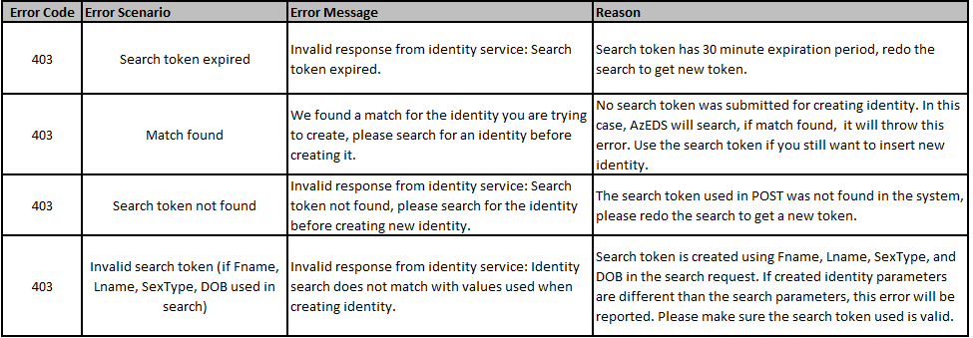
 | Retrieve asynchronous search results from a previously created request (The search token provided by a Find or Search request)
 |  | API Resource Name | Get | Post | Put | Delete | Related Table | Swagger URL
 |  | Identities/results/{id} |  |  |  |  | Click Here | https://sandbox-rest-ui-r8.azeds.azed.gov/swagger/index.html?urls.primaryName=Resources

 | Retrieve a single person record from their Unique Id (Unique Id of the identity to be retrieved)
 |  | API Resource Name | Get | Post | Put | Delete | Related Table | Swagger URL
 |  | Identities/{id} |  |  |  |  | Click Here | https://sandbox-rest-ui-r8.azeds.azed.gov/swagger/index.html?urls.primaryName=Resources
 |  | Returns either a single identity or 404 and no data

 | Creates a new Unique Id for the given Identity information (Identity object to be created.)
 |  | API Resource Name | Get | Post | Put | Delete | Related Table | Swagger URL
 |  | identities |  |  |  |  | Click Here | https://sandbox-rest-ui-r8.azeds.azed.gov/swagger/index.html?urls.primaryName=Resources
 |  | Assumption here is that the user has verified that possible matches are not correct matches. Returns the created identity information along with the assigned Unique Id

 | Retrieve a multiple person records from their Unique Ids (Unique Ids of the persons to be retrieved)
 |  | API Resource Name | Get | Post | Put | Delete | Related Table | Swagger URL
 |  | identities/find |  |  |  |  | Click Here | https://sandbox-rest-ui-r8.azeds.azed.gov/swagger/index.html?urls.primaryName=Resources

 | Lookup existing Unique Ids for a persons, or suggest possible matches (One or more identity search request objects)
 |  | API Resource Name | Get | Post | Put | Delete | Related Table | Swagger URL
 |  | identities/search |  |  |  |  | Click Here | https://sandbox-rest-ui-r8.azeds.azed.gov/swagger/index.html?urls.primaryName=Resources

 |  |  |  |  |  |  | Table
 |  |  |  |  |  |  | Identities
 |  |  |  |  |  |  |  | Column Name | Data Type | Codes | Description
 |  |  |  |  |  |  |  | FirstName | nvarchar(75) |  | A name given to an individual at birth, baptism, or during another naming ceremony, or through legal change. National Education Data Model (NEDM): First Name
 |  |  |  |  |  |  | Optional | MiddleName | nvarchar(75) |  | A secondary name given to an individual at birth, baptism, or during another naming ceremony. National Education Data Model (NEDM): Middle Name
 |  |  |  |  |  |  |  | LastSurname | nvarchar(75) |  | The name borne in common by members of a family. National Education Data Model (NEDM): Last Name/Surname
 |  |  |  |  |  |  |  | BirthDate | date |  | The date in which the individual was born
 |  |  |  |  |  |  |  | SexType | int |  | The biological sex of the student.
 |  |  |  |  |  |  |  | SearchIntentType | int |  | Identity type being searched {1 : Student, 2 : Staff , 3 : Parent }
 |  |  |  |  |  |  | Optional | PriorEducationOrganizationId | nvarchar(75) |  | Any SchoolId of the Student's previous entollement since 2017
 |  |  |  |  |  | Optional | Relationship
A |  |  |  |  |  |  |  | Column Name | Data Type | Codes | Description
A |  |  |  |  |  |  |  | LastSurName | nvarchar(75) |  | A unique alpha-numeric code assigned to a student by the state.
A |  |  |  |  |  |  |  | FirstName | nvarchar(75) |  | A unique alpha-numeric code used soley for back-end purposes; a new ID is created for every enrollment each year.
A |  |  |  |  |  |  |  | RelationDescriptorId | nvarchar(75) | Table 33 | Mother, Father, Aunt, Uncle, Step-Mother, Step-Father, Grandmother, Grandfather

JSON Example:
Request and Response for identities/search
Request:
{
"BirthDate": "1998-01-09T00:00:00Z",
"FirstName": "John",
"GenerationCodeSuffix": "string",
"LastSurname": "Doe",
"MiddleName": "J",
"SexType": "string",
"PriorEducationOrganizationId": "5111",
"SearchIntentType": "Student",
"Relationships": [
{
"LastSurName": "Doe",
"FirstName": "John",
"RelationshipType": "Father"
},
{
"LastSurName": "Doe",
"FirstName": "Jane",
"RelationshipType": "Mother"
}
]
}
Response:
"status": "1",
"searchToken": "77d808a8-83f5-4706-9c9e-016fcac0a24a",
"searchResponses": {
"responses": {
"uniqueId": "35553121",
"score": "100",
"lastSurname": "Doe",
"firstName": "John",
"middleName": "J",
"sexType": "Unknown",
"birthDate": "1998-01-09T00:00:00Z",
"priorEducationOrganizationAssociation": [
{
"educationOrganizationId": "5111",
"schoolName":"San Marcos Elementary School"
"grade": "5",
"schoolYear": "2020"
},
{
"educationOrganizationId": "5111",
"schoolName":"San Marcos Elementary School"
"grade": "4",
"schoolYear": "2019"
},
{
"educationOrganizationId": "5111",
"schoolName":"San Marcos Elementary School"
"grade": "3",
"schoolYear": "2018"
},
],
"cohort":"",
"otherNames": [
{
"firstName": "Johnn",
"lastSurName": "Doe"
},
{
"firstName": "Jnn",
"lastSurName": "Doe"
},
{
"firstName": "Jon",
"lastSurName": "Doe"
}
]
}
}

 | Identity Create Error Scenarios

