Example
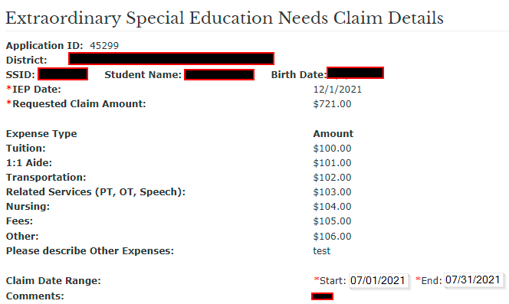
 | Student Name: | Pebbles Rubble | SSID: | 12345678
 | Claim Start Date: | 2022-07-01 | Claim End Date: | 2022-09-30 |  |  |  |  |  |  |  | Revised 11/2022
 | Record the monthly expenses for the student's claim by expense type. Use the subtotals below to submit your requested claim amount. |  |  |  |  |  |  |  |  |  |  | Disability/Scenario (Assumes 1 ADM equivalent except PSD & KG) | Summary 1/2 ADM (KG/PS) | Monthly revenue for KG/PS | Summary UE-12th | Monthly revenue for 1st-12th
 |  |  |  |  |  |  |  |  |  |  |  | Multiple Disabilities Severe Sensory Impairment | $22,000.00 | $2,200.00 | $45,000.00 | $4,500.00
 | Expense Types |  |  |  |  |  |  |  |  |  |  | Orthopedic Impairment (Self-Contained) | $20,000.00 | $2,000.00 | $39,000.00 | $3,900.00
Month | Tuition | 1:1 Aide (Paraprofessional) | Transportation | Related Services (PT, OT, Speech, Counseling) | Nursing | Fees | Other* |  | Total |  |  | MD-R, A-R, and SID-R | $18,000.00 | $1,800.00 | $36,000.00 | $3,600.00
July | $2,700.00 | $1,600.00 | $1,400.00 | $300.00 |  |  | $4,000.00 | July Total |  | If Other, please describe expense(s). |  | MD-SC, A-SC, and SID-SC | $18,000.00 | $1,800.00 | $36,000.00 | $3,600.00
 |  |  |  |  |  |  |  | $10,000.00 |  | ASL Intrpreting Services |  | Emotionally Disabled (Private) | $15,000.00 | $1,500.00 | $30,000.00 | $3,000.00
August | $2,700.00 | $1,600.00 | $1,400.00 | $300.00 |  |  | $4,000.00 | August |  |  |  | Visual Impairment | $15,000.00 | $1,500.00 | $30,000.00 | $3,000.00
 |  |  |  |  |  |  |  | $10,000.00 |  |  |  | Hearing Impairment | $15,000.00 | $1,500.00 | $30,000.00 | $3,000.00
September | $2,700.00 | $1,600.00 | $1,400.00 | $300.00 |  |  | $4,000.00 | September |  |  |  | Moderate Intellectual Disability | $14,000.00 | $1,400.00 | $28,000.00 | $2,800.00
 |  |  |  |  |  |  |  | $10,000.00 |  |  |  | Preschool Severe Delay | $12,000.00 | $1,200.00 | $24,000.00 | $2,400.00
October |  |  |  |  |  |  |  | October |  |  |  | Orthopedic Impairment (Resource) | $11,000.00 | $1,100.00 | $22,000.00 | $2,200.00
 |  |  |  |  |  |  |  | $- |  |  |  | DD, ED, MIID, SLD, SLI, and OHI | $4,000.00 | $400.00 | $7,000.00 | $700.00
November |  |  |  |  |  |  |  | November
 |  |  |  |  |  |  |  | $- |  |  |  | To determine how much your student generates in SPED state aid, use the find the disability category and the grade level. You'll multiply the monthly revenue by the number of months in your claim.
December |  |  |  |  |  |  |  | December
 |  |  |  |  |  |  |  | $-
January |  |  |  |  |  |  |  | January
 |  |  |  |  |  |  |  | $-
February |  |  |  |  |  |  |  | February |  |  |  | # of months in Claim Period: |  | x monthly rate |  | = | $-
 |  |  |  |  |  |  |  | $-
March |  |  |  |  |  |  |  | March |  |  |  | Example | 3 | x monthly rate | 3000 | = | $9,000.00
 |  |  |  |  |  |  |  | $-
April |  |  |  |  |  |  |  | April
 |  |  |  |  |  |  |  | $-
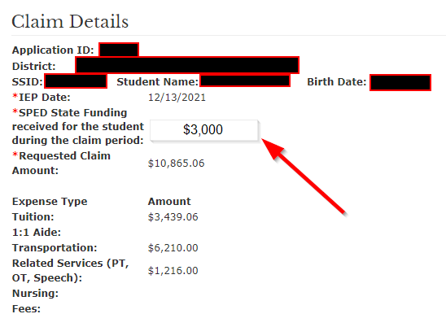
May |  |  |  |  |  |  |  | May
 |  |  |  |  |  |  |  | $-
June |  |  |  |  |  |  |  | June
 |  |  |  |  |  |  |  | $- |  | Use the Example Tab summary to calculate how much state aid the student generates: | $9,000.00

Subtotal: | $8,100.00 | $4,800.00 | $4,200.00 | $900.00 | $- | $- | $12,000.00 | $30,000.00
 | Tuition | 1:1 Aide (Paraprofessional) | Transportation | Related Services (PT, OT, Speech, Counseling) | Nursing | Fees | Other* | Total Requested Claim Amount

 | Enter the amounts listed on subtotal line for each expsense type for the student's claim. |  |  |  |  |  |  |  |  | If Claiming ESEN, the total claim will be: | $21,000.00

 |  |  |  |  |  |  |  |  |  | If Claiming HCCC, the total claim will be: | $30,000.00

