Sheet1
Arizona Department of Education Child and Adult Care Food Program Budget Builder for New Sponsors Applying for the CACFP

This resource will assist new Child and Adult Care Food Program (CACFP) applicants build a budget. New applicants are encouraged to use this resource and rely on their newly assigned program specialist for support and guidance throughout the application process.

First, let's review some important concepts.

 | Receiving Reimbursement: Operators of the CACFP receive federal monies. The amount received is based on the number of creditable meals served and who these meals have been served to. These two factors are tracked using meal counts and enrollment documentation. Figures are then reported to ADE on a monthly site claim, which is processed for payment.

Expending/Spending Reimbursement: Reimbursement received for meals served must be spent on allowable, program-related expenses. Per regulation, program operators must operate a nonprofit food service program, meaning all reimbursement received is expended on reasonable, allowable program expenses, with no more than 15% spent on administrative expenses. In addition, ADE requires at least 50% of your reimbursement be spent on food. Don't forget! The cost or amount of expenses does not impact the amount of reimbursement received.

 | Budgeting, Tracking, and Reporting Expenses: Prior to receiving approval to operate, CACFP applicants must submit a budget forecasting the amount of reimbursement that will likely be received and how that reimbursement will be spent. Budget figures do not impact reimbursement, but rather communicate how you plan to spend reimbursement when it is received. Once approved, sponsors submit monthly claims. The number of meals served to participants are reported in a monthly site claim, which results in reimbursement. The program-related expenses incurred are reported in a monthly sponsor claim. In order to receive the correct amount of reimbursement and remain in expense reporting compliance, it is imperative to maintain records and claims that are free of error.

Let's get calculating!
Before we begin tackling the budget, let's calculate about how much reimbursement you will receive.

Projected CACFP Reimbursement for Upcoming Fiscal Year: To calculate your anticipated reimbursement, we first must determine how many months you are budgeting for this program year. Please input the number of months remaining in the program year.

I am budgeting for |  |  |  | months, as specified by the chart above.

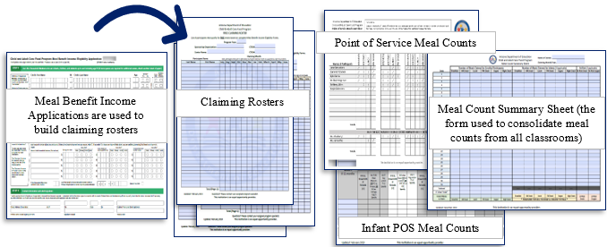 |  |  |  |  | Now let's calculate your anticipated reimbursement! You will need your free, reduced, and paid claiming rosters and one week of point of service meal counts consolidated on a meal count summary sheet. If you are unsure what these forms are, fear not! Refer to the online essentials trainings or connect with your newly assigned program specialist for support and guidance.
Enrollment Totals:
 | Total Number of Participants on your Free Claiming Roster
 | Total Number of Participants on your Reduced-Price Claiming Roster
 | Total Number of Participants on your Paid Claiming Roster

Total Number of Meals Served
Input the total number of meals/snacks served in one week by meal service type. Remember to use your point of service meal count + meal count summary sheet!
 | Total Number of Breakfasts Served in One Week
 | Total Number of AM Snacks Served in One Week
 | Total Number of Lunches Served in One Week
 | Total Number of PM Snacks Served in One Week
 | Total Number of Suppers Served in One Week
 | Total Number of Evening Snacks Served in One Week


Currently, the reimbursement rates are as follows:
 |  | USDA Rates 7/1/19-6/30/20 |  | Free | Reduced | Paid
 |  | Breakfast |  | $1.8900 | $1.5900 | $0.3200
 |  | Lunch and Supper |  | $3.5100 | $3.1100 | $0.3300
 |  | Snacks |  | $0.9600 | $0.4800 | $0.0800
 |  | Cash in Lieu |  | $0.2450

Based on these rates, your number of free, reduced-price, and paid participants, and meals served in one week, you will receive approximately…
 | in reimbursement each month. |  |  |  |  | in reimbursement this program year.

Now that we know about how much you'll receive in reimbursement, let's start identifying which program-related expenses it will be spent on.

 |  |  | It is an Arizona best practice to spend at least 50% of your reimbursement on food. Let's take a look at some of your food receipts to figure out how much you're spending!

Complete your food purchasing for one week of your cycle menu. How much did you spend?

 |  | Based on how much you spent on one week, let's estimate that you will spend…
 |  |  |  | $- |  | on food this program year.

Before we move on, let's make sure you're on track to meet Arizona's expectation of spending at least 50% of your reimbursement on food.
Projected Food Costs > 50%?
Supplies
While we have out our receipts, let's determine about how much will be spent on CACFP supplies.
 | Supplies necessary for preparing and serving meals, such as bleach, plates, cups, pots and pans, dish soap, paper napkins, towels, utensils, etc. may be purchased and reported as a CACFP expense. Larger, more expensive items, like kitchen equipment, may be an allowable expense but would require written approval from your assigned program specialist before purchased. For the purpose of this budget, we will focus on the smaller, more routinely purchased supplies.

Complete your supplies purchasing for one week of your cycle menu.
How much did you spend on kitchen cleaning supplies?

How much did you spend on paper goods (non-food consumables)?
Based on how much you spent on one week, let's estimate that you will spend…
$- |  | on kitchen cleaning supplies this program year. |  |  |  | &
 |  |  | $- |  | on paper goods this program year.

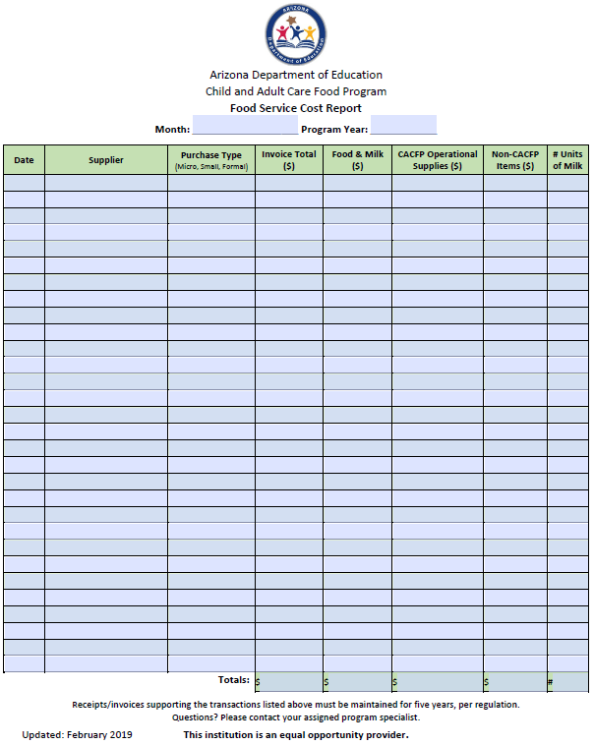
 |  |  |  |  | Food Service Cost Report:
 |  |  |  |  | Using receipts and invoices, complete the Food Service Cost Report to document all food and supplies purchases made for the CACFP each month.
 |  |  |  |  | Pro-Tip! When purchasing food and supplies at the same time, separate the transactions or purchase all food items first and all supplies items last. This will make completing the Food Service Cost Report significantly easier!

Now, let's talk about labor.
There are many tasks that must be performed in order to successfully operate the CACFP. As such, a portion of labor costs are allowable and may be reported as a program expense! Let's break this down a little further.
 | Zooming out! What are allowable expenses?
 | All CACFP allowable expenses are broken into two categories - administrative and operational. Administrative expenses are the 'behind the scenes' things that are necessary to sustain the program but do not directly impact the meal service, like your time spent building this budget! Remember, administrative expenses cannot exceed 15% of your reimbursement so they should be limited. Operational expenses are tasks and items needed to offer meals, like food and your cook's time!

Back to labor -

Administrative Labor
 | Time spent on administrative tasks, such as recordkeeping, training, monitoring, completing applications and claims, and planning for the CACFP are an allowable expense in the CACFP. Commonly, the owner, director, assistant director, office manager, and monitor(s) perform administrative tasks.

Please input the number of sites where you will be operating the CACFP on the yellow line. Most commonly, new sponsors have 1. |  |  |  |  |  |  |  |  |  | site(s).

Exciting! Let's include |  |  |  |  | administrative staff on your budget.

Identify |  | individual(s) who perform administrative tasks, like completing the applications, training
staff, reviewing enrollment documents, completing claiming rosters, submitting monthly claims etc.

List the positions of the individuals selected - i.e. Director, Owner, Office Manager, etc.
Director |  |  |  |  | (if applicable)

What administrative tasks are |  |  | Director |  |  | responsible for? Completing applications?
Collecting information for claims? Cost reporting? Claims submission? Training staff? etc.
Collecting information for claims? Cost reporting? Claims submission? Training staff? etc.

What administrative tasks are |  |  | (if applicable) |  |  | responsible for? Completing applications?
Collecting information for claims? Cost reporting? Claims submission? Training staff? etc.
If applicable.
 | On your budget, you will have to indicate the hours per day these positions spend completing administrative tasks. Reasonably, this should be 0.25 - 1 hour per day for administrative staff.
Approximately how many hours per day do applicable staff spend on administrative duties? Not to exceed 1 hour. |  |  |  | Position |  |  |  | Hours Per Day
 |  |  |  | Director
 |  |  |  | (if applicable)

The last piece of information you will need for the Administrative Labor portion of your budget is the hourly wage for the selected positions. The system will take care of the rest!

 |  | Position |  |  |  | Hourly Wage
 |  | Director
 |  | (if applicable)

Administrative Labor - Benefits
Benefits are not a common cost sponsors choose to include in their budget. However, if you offer employee benefits, a portion of those benefits may be attributed to the CACFP. If you'd like to report a portion of employee benefits as a CACFP expense, please complete this section. If you do not offer or would not like to include benefits, skip this section and proceed to Operational Labor.
Administrative Positions |  | Total Monthly Cost of Benefits Paid to Employee |  |  | Employee's Total Monthly Hours |  | Total Cost of Administrative Benefits to Place on Budget
Director
(if applicable)

Operational Labor

 |  | Time spent on operational tasks, such as cooking, cleaning, engaging in the meal service, taking point of service meal counts, verifying creditability of meals and the meal service are allowable expenses for the CACFP. Commonly, teachers and kitchen staff perform operational tasks.
The amount of operational labor you will include depends on your operations. Let's determine which staff positions conduct operational labor and the allowable hours per day to attribute to the CACFP.
Positions: | Allowable/Suggested Duties: |  |  |  |  | Allowable Hours Per Day for CACFP:
Cook & Supplemental Kitchen Staff If Self-Prep | If you prepare your meals/snacks on-site, your kitchen staff's labor is an allowable expense for the CACFP. |  |  |  |  | Up to 8 hours.
 | Duties: Prepare meals and snacks compliant with the CACFP meal pattern requirements, purchase food, routine kitchen maintenance, complete point of service meal counts*, etc. |  |  |  |  | The cost of labor for the cook's entire work day is an allowable expense for the CACFP unless their duties expand outside of food prep, food purchasing, kitchen maintenance…
Infant Teachers If Licensed for Infants | If you have infants in your care, a portion of their labor is an allowable expense for the CACFP. |  |  |  |  | Up to 2 hours.
 | Duties: Navigating infant feeding, identifying infant hunger and satiety cues and feeding infants on demand, completing the infant meal counts at the point of service.
Teachers | The duties and allowable hours per day for teachers depends on your type of meal service - family style or pre-plated. |  |  |  |  | Up to 1.25 hours if family-style; 0.25 hours if pre-plated; 0.5 hours if pre-plated + meal counts
 | Family Style: Engage in the meal service, assist with serving when needed, encourage positive meal time behaviors, complete point of service meal counts.* Pre-Plated: Supervise meal service, complete point of service meal counts.*
*Commonly, either teachers or the cook complete point of service meal counts. List this duty under the position responsible.

The last information needed to build operational labor into your budget are the number of employees responsible for operational duties listed above and their hourly wage. Complete the chart below to finalize operational labor.

Position (cook, teacher, infant teacher...) | Hourly Wage (If hourly wage varies for each employee, duplicate the position) |  |  |  | # of Employees in Position at Corresponding Wage |  |  |  | CACFP Hours Per Day Reference chart above.

Operational Labor - Benefits
Benefits are not a common cost sponsors choose to include in their budget. However, if you offer employee benefits, a portion of those benefits may be attributed to the CACFP. If you'd like to report a portion of employee benefits as a CACFP expense, please complete this section. If you do not offer or would not like to include benefits, skip this section and proceed to Administrative and Operational Facility Costs.
Operational Positions |  | Total Monthly Cost of Benefits Paid to Employee |  |  | Employee's Total Monthly Hours |  | Total Cost of Operational Benefits to Place on Budget

 |  |  |  |  | Time Distribution Reports & Expense Worksheet:
 |  |  | 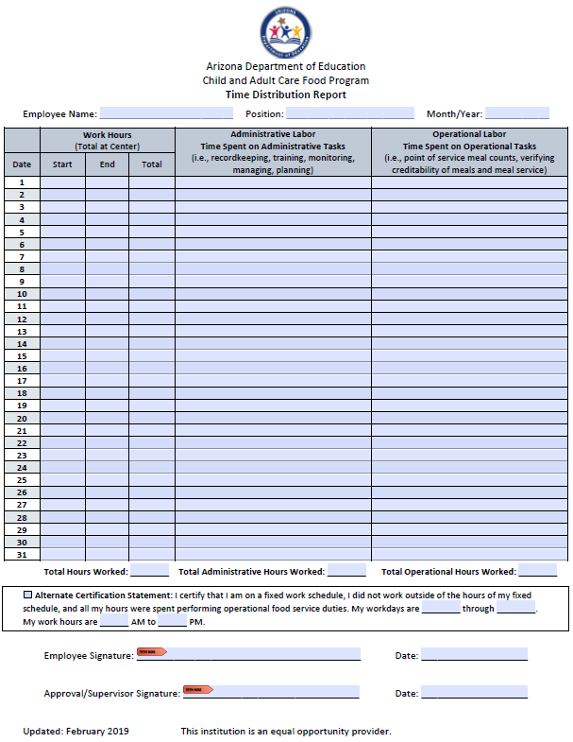 |  | All staff performing administrative and operational duties for the CACFP must be reporting their hours per day spent on their CACFP responsibilities on a Time Distribution Report.
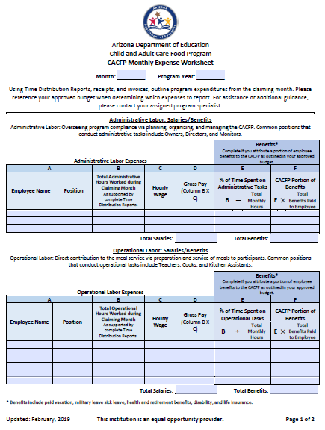 |  |  |  |  | At the end of each month, a supervisor must review and approve Time Distribution Reports with a signature. Then, the hours spent are consolidated on the Monthly Expense Worksheet. Once you're approved and start claiming, you'll be using the Monthly Expense Worksheet to report the cost of CACFP labor on your monthly claim!

Administrative and Operational Facility Costs
In addition to food, supplies, and labor, a space to serve meals and process paperwork are necessary for operators of the CACFP. As such, a portion of select facility costs are allowable expenses in the CACFP. The amount that can be budgeted for depends on the size of your facility.

What is the total square footage of your facility?

What is the total square footage of your office space or the area used to process paperwork?

What is the total square footage of your food preparation area + table tops used during the meal service?

How much is your monthly depreciation or rent? (if applicable. Must match a lease/rental agreement or depreciation schedule)

Approximately how much is your monthly phone + internet bill?

Approximately how much do you pay for utilities (gas, water, garbage, electric) each month?

That's all the information needed to build a budget! The following pages summarize the information provided. Print them for use when completing your budget in the Management Plans and Budgets System.

Budget Builder | Summary
 | The following two pages contain all of the information needed for your budget. Print it for use when completing your budget in the Management Plans and Budgets System.

Facility Information
No of Operating Months (1-12):
Administrative and Operational Facility Costs including rent/depreciation will be claimed
Administrative Square Footage: |  |  | Operational Square Footage: |  |  |  | Total Square Footage:

Labor Cost - Administrative
Position | CACFP Duties |  |  | No. of Staff | Hours per day for CACFP Duties only |  | Salary/Wage per hour |  |  | CACFP Portion of Benefits
Director | Collecting information for claims? Cost reporting? Claims submission? Training staff? etc. |  |  | 1
(if applicable) | If applicable.

Labor Cost - Operational
Position |  | No. of Staff |  | Hours per day for CACFP Duties only |  |  | Salary/Wage per hour |  |  | CACFP Portion of Benefits
 |  |  |  |  |  |  | $-
 |  |  |  |  |  |  | $-
 |  |  |  |  |  |  | $-
 |  |  |  |  |  |  | $-
 |  |  |  |  |  |  | $-

CACFP Duties Suggestions:
Cook & Kitchen Staff If Self-Prep |  | Prepare meals and snacks compliant with the CACFP meal pattern requirements, purchase food, routine kitchen maintenance, complete point of service meal counts*, etc.
Infant Teachers If Licensed for Infants |  | Navigating infant feeding, identifying infant hunger and satiety cues and feeding infants on demand, completing the infant meal counts at the point of service.
Teachers |  | Family Style: Engage in the meal service, assist with serving when needed, encourage positive meal time behaviors, complete point of service meal counts.* Pre-Plated: Supervise meal service, complete point of service meal counts.*
*Commonly, either teachers or the cook complete point of service meal counts. List this duty under the position responsible.

Facility Costs - Administrative
Depreciation or Rent (Monthly): |  |  | $-
 |  | Description |  |  |  | Monthly Cost
Contracted Services |  | - |  |  |  | -
Communication Cost |  | Phone and Internet |  |  |  | $-
Other Costs |  | - |  |  |  | -

Facility Costs - Operational
Depreciation or Rent (Monthly): |  |  | $-
 |  | Description |  |  |  | Monthly Cost
Contracted Services |  | - |  |  |  | -
Utility Cost |  | Gas, Water, Electric, Garbage are allowable |  |  |  | $-
Other Costs |  | - |  |  |  | -

Food and Supplies Costs
Food Costs Were Determined By |  |  |  |  | Annual Cost of Non-Profit Food Service Operational (Food Costs)
The total cost of purchasing all necessary menu items for one week was collected and converted to approximate food costs for the remainder of the program year. |  |  |  |  | $-

Supplies and Equipment |  | Supplies Costs Were Determined By |  |  |  | Annual Cost of Non-Profit Food Service Operational (Supplies Costs)
Kitchen Cleaning Supplies |  | The total cost of purchasing all necessary supply items for one week was collected and converted to approximate cleaning supplies costs for the remainder of the program year. |  |  |  | $-
Paper Goods (non-food consumables) |  | The total cost of purchasing all necessary supply items for one week was collected and converted to approximate paper goods (non-food consumables) costs for the remainder of the program year. |  |  |  | $-

Cost of Unaffiliated Centers
Unless advised by your specialist, select N/A.

Projected Annual Non-CACFP Income for Non-Profit Food Service
Projected Annual CACFP Reimbursement for upcoming fiscal year:
Projected Annual Revenue Received from Reduced-Price and Paid-households, if Organization has been approved for Pricing Program: |  |  |  |  |  | N/A for new sponsors. Input 0.

Identify the source(s) of non-CACFP income that will be used to cover remaining food service costs that are not covered by CACFP. |  |  |  |  |  | Consider tuition payments, DES payments, savings, lines of credit, etc.

Congratulations on calculating your projected budget figures! Before we submit them in the Management Plan and Budgets system, let's see if your budget demonstrates compliance.
Administrative Expenses Below 15%? |  | #VALUE!

Projected Food Costs > 50%? |  | #VALUE!
Non-profit food service? |  | #VALUE!

