Code Values
Code Values
Descriptors need to be posted with the URI
Ex. "gradingPeriodDescriptor": "uri://ed-fi.org/GradingPeriodDescriptor#First Nine Weeks"
or
"entryGradeLevelDescriptor": "uri://azed.org/GradeLevelDescriptor#8",
Descriptors need to be posted with the URI
Ex. "gradingPeriodDescriptor": "uri://ed-fi.org/GradingPeriodDescriptor#First Nine Weeks"
or
"entryGradeLevelDescriptor": "uri://azed.org/GradeLevelDescriptor#8",
Table 1: EducationOrganizationCategoryDescriptor

Table 2: SchoolTypeDescriptor

Table 3: CharterStatusDescriptor

Table 4: LocalEducationAgencyCategoryDescriptor

Table 5: CalendarTypeDescriptor

Table 6: CalendarEventDescriptor

Table 7: TermDescriptor

Table 8: EndOfCourseAssessmentCodeDescriptor

Table 9: EducationalEnvironmentDescriptor

Table 10: GradeLevelDescriptor (EntryGradeLevelDescriptor)

Table 11: ClassroomPositionDescriptor

Table 12: CourseLevelCharacteristicDescriptor

Table 13: BirthSexdescriptor (SexDescriptor)

Table 14: StudentIdentificationSystemDescriptor

Table 15: StaffClassificationDescriptor

Table 16: BirthStateAbbreviationdescriptor

Table 17: BirthCountryCodedescriptor

Table 18: AddressTypeDescriptor

Table 19: LanguageDescriptor

Table 20: LanguageUseDescriptor

Table 21: Racedescriptor

Table 22: StudentCharacteristicDescriptor (Parent in Military, Foster Care, Single Parent, and 1/4 or more degree Indian blood)

Table 23: OtherNameTypedescriptor

Table 24: EntryTypeDescriptor

Table 25: ExitWithdrawTypeDescriptor

Table 26: ExitWithdrawReasonDescriptor

Table 27: MembershipTypeDescriptor

Table 28: MembershipFTEDescriptor

Table 29: TuitionPayerDescriptor

Table 30: SpecialEnrollmentDescriptor

Table 31: CourseEntryDescriptor

Table 32: CourseExitDescriptor

Table 33: RelationDescriptor

Table 34: AttendanceEventCategoryDescriptor

Table 35: EventDuration

Table 36: CourseAttemptResultDescriptor

Table 37: ElectronicMailTypeDescriptor

Table 38: PrimaryNightTimeResidencedescriptor

Table 39: ReasonExitedDescriptor

Table 40: StudentNeedDescriptor - Support Programs

Table 41: ProgramName - Support Programs
ProgramName
22 Homeless
27 School Improvement Supplemental Education Services
34 Transportation/School Choice
35 Gifted Program
36 Johnson-O'Malley Indian Education
IM Immigrant Need program
28 Title I Mathematics
29 Title I Other
30 Title I Reading
31 Title I Science
32 Title I Social Studies
Coordinated Early Intervening Services- Behavior
Coordinated Early Intervening Services- Math
Coordinated Early Intervening Services- Other
Coordinated Early Intervening Services- Reading
21st Century Community Learning Centers Year 1 - New
21st CCLC Yr 2
21st CCLC Yr 5
21st CCLC Yr 5C

Table 42: ProgramName - EL

Table 43: StudentNeedDescriptor - SPED

Table 44: ProgramName - SPED

Table 45: SpecialEducationSettingDescriptor - SPED

Table 46: MonthDescriptor DRP

Table 47: StaffIdentificationSystemDescriptor

Table 48: ServiceDescriptor - CEIS

Table 49: FinalLetterGradeEarnedDescriptor

Table 50: ResponsibilityDescriptor

Table 51: AssessmentPeriodDescriptor

Table 52: AssessmentCategoryDescriptor

Table 53: AssessmentOutcomesSummaryDescriptor

Change Log
New in AzEDS 6.0

On the Master Schedule tab
Added | MinutesPerWeek to az.SectionExtension table
 |  | To collect Instructional Minutes per week for CTE Perkins grant

On the Student Transcript tab
NEW | az.CourseTranscriptExtention table
 |  | New CourseTranscript extension to collect ‘AboveAverage’, ‘Average’, and ‘BelowAverage’ to further describe FinalLetterGradeEarned

On the SPED Program tab
NEW | edfi.StudentEducationOrganizationResponsibilityAssociation table

On the Code Value tab
NEW | Table 50: ResponsibilityDescriptor
 | URI | CodeValue | Short Description
 | uri://edfi.org/... | IEP | Individualized Education Program

NEW | Table 51: FinalLetterGradeEarnedDescriptor
 | URI | CodeValue | Short Description
 | uri://azed.gov/... | Above Average | Above Average
 | uri://azed.gov/... | Average | Average
 | uri://azed.gov/... | Below Average | Below Average

2020-01-31
On the Code Value tab
 | Table 45: SpecialEducationSettingDescriptor - SPED
 | URI | CodeValue | Short Description
Removed | uri://azed.gov/... | PJ | Private School placement, enrolled by parent(s)

I
On the Identity tab
Added | Request and Response for identities/search
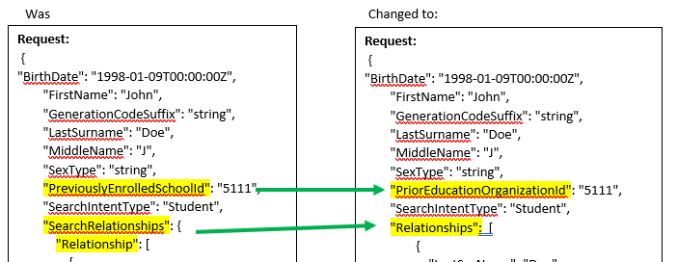

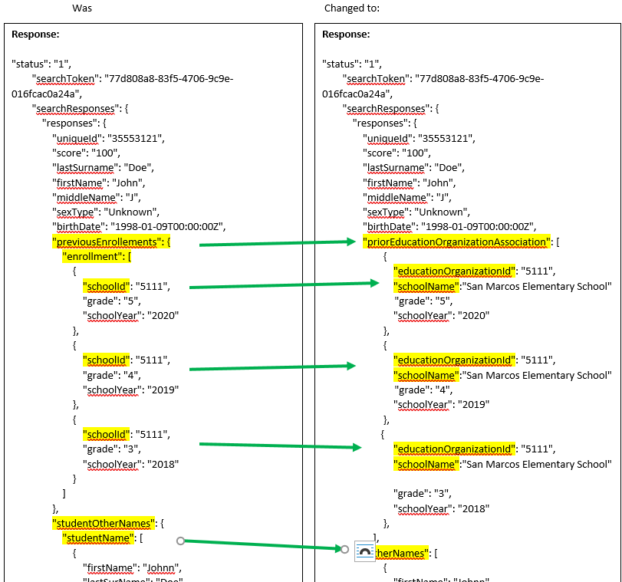

2020-02-20
On the Master Schedule tab
Added | az.CourseOfferingExtension table
 |  | Assessmemt team still needs to collect AIMS Science HS

On the Code Value tab
 | Table 8: EndOfCourseAssessmentCodeDescriptor table
 | URI | CodeValue | Short Description
Removed | uri://azed.gov/... | A1 | Algebra I
Removed | uri://azed.gov/... | A2 | Algebra II
Removed | uri://azed.gov/... | E10 | ELA10
Removed | uri://azed.gov/... | E11 | ELA11
Removed | uri://azed.gov/... | E9 | ELA9
Removed | uri://azed.gov/... | GE | Geometry
Keeping | uri://azed.gov/... | S1 | Science HS

2020-03-20
On the SPED tab
New | az.StudentSpecialEducationProgramAssessmentOutcome table

On the Code Value tab
New | Table 52: AssessmentPeriodDescriptor
 | URI | CodeValue | Short Description
 | uri://azed.gov/... | SPSE01 | Entry
 | uri://azed.gov/... | SPSE02 | Exit

New | Table 53: AssessmentCategoryDescriptor
 | URI | CodeValue | Short Description
 | uri://azed.gov/... | SPSC01 | Positive social-emotional skills (including social relationships)
 | uri://azed.gov/... | SPSC02 | Acquisition and use of knowledge and skills (including early language/ communication and early literacy)
 | uri://azed.gov/... | SPSC03 | Use of appropriate behaviors to meet their needs

New | Table 54: AssessmentOutcomesSummaryDescriptor
 | URI | CodeValue | Short Description
 | uri://azed.gov/... | SPSOC01 | Child does not yet show functioning expected of a child his or her age in any situation
 | uri://azed.gov/... | SPSOC02 | Child occasionally uses immediate foundational skills across settings and situations
 | uri://azed.gov/... | SPSOC03 | Child does not yet show functioning expected of a child of his or her age in any situation
 | uri://azed.gov/... | SPSOC04 | Child shows occasional age-appropriate functioning across settings and situations
 | uri://azed.gov/... | SPSOC05 | Child shows functioning expected for his or her age some of the time and/or in some settings and situations
 | uri://azed.gov/... | SPSOC06 | Child’s functioning generally is considered appropriate for his or her age, but there are some significant concerns about the child’s functioning in this outcome area
 | uri://azed.gov/... | SPSOC07 | Child shows functioning expected for his or her age in all or almost all everyday situations that are part of the child’s life

On the Code Value tab
 | Table 33: RelationDescriptor
 | URI | CodeValue | ShortDescription
 | uri://ed-fi.org/ | Guardian | Guardian
 | uri://ed-fi.org/ | MotherInLaw | MotherInLaw
 | uri://ed-fi.org/ | Neighbor | Neighbor
 | uri://ed-fi.org/ | Sibling | Sibling
 | uri://ed-fi.org/ | SisterInLaw | SisterInLaw
 | uri://ed-fi.org/ | SonInLaw | SonInLaw
 | uri://ed-fi.org/ | Spouse | Spouse

 | Table 42: ProgramName - EL
 | ProgramName for prior to FY21 |  | ProgramName for FY21
Added |  |  | Structured English Immersion (SEI) Pull-Out Model
Renamed | A2 Structured English Immersion (SEI) 2-Hour Model |  | Structured English Immersion (SEI) Two-Hour Model
Removed | A3 Structured English Immersion (SEI) 3-Hour Model
Renamed | A4 Structured English Immersion (SEI) 4-Hour Model |  | Structured English Immersion (SEI) Newcomer Model
Added |  |  | 50-50 Dual Language Immersion (DLI) Model
Renamed | B1 Bilingual/Dual Language with Waiver 1 |  | Bilingual with Waiver 1
Renamed | B2 Bilingual/Dual Language with Waiver 2 |  | Bilingual with Waiver 2
Renamed | B3 Bilingual/Dual Language with Waiver 3 |  | Bilingual with Waiver 3
Removed | IP Individual Language Learner Plan (ILLP)
Renamed | PW Parent Withdrawn ELL |  | Parent Withdrawn EL

2020-04-01
On the SPED Program tab
 | edfi.StudentEducationOrganizationResponsibilityAssociation table
Removed | ResidentSchoolId (ResidentSchoolId for ESS to be collected through EducationOrganizationId)

On the Code Value tab
 | Table 23: StudentCharacteristicDescriptorID
 | URI | CodeValue | Short Description
Adding | uri://azed.gov/... | 35 | 1/4 or more degree Indian blood

2020-05-04
On the Code Value tab
Change in description.
 | Table 54: AssessmentOutcomesSummaryDescriptor
 | URI | CodeValue | Short Description
Was | uri://azed.gov/... | SPSOC01 | Child does not yet show functioning expected of a child his or her age in any situation
 | uri://azed.gov/... | SPSOC02 | Child occasionally uses immediate foundational skills across settings and situations
 | uri://azed.gov/... | SPSOC03 | Child does not yet show functioning expected of a child of his or her age in any situation
 | uri://azed.gov/... | SPSOC04 | Child shows occasional age-appropriate functioning across settings and situations
 | uri://azed.gov/... | SPSOC05 | Child shows functioning expected for his or her age some of the time and/or in some settings and situations
 | uri://azed.gov/... | SPSOC06 | Child’s functioning generally is considered appropriate for his or her age, but there are some significant concerns about the child’s functioning in this outcome area
 | uri://azed.gov/... | SPSOC07 | Child shows functioning expected for his or her age in all or almost all everyday situations that are part of the child’s life

 | Table 54: AssessmentOutcomesSummaryDescriptor
 | URI | CodeValue
Now | uri://azed.gov/... | SPSOC01 | Overall not age appropriate: Does not yet show functioning expected in any situation, does not show immediate foundational skills in any situation.
 | uri://azed.gov/... | SPSOC02 | Overall not age appropriate: Occasionally uses immediate foundational skills across settings and situations
 | uri://azed.gov/... | SPSOC03 | Overall not age appropriate: Uses immediate foundational skills most or all of the time across settings and situation.
 | uri://azed.gov/... | SPSOC04 | Overall not age appropriate: Shows occasional age-appropriate functioning across settings and situations.
 | uri://azed.gov/... | SPSOC05 | Overall not age appropriate: Shows functioning expected for his or her age some of the time and/or in some settings and situations.
 | uri://azed.gov/... | SPSOC06 | Age appropriate: Functioning generally is considered appropriate for his or her age, but there are some significant concerns about the child’s functioning in this outcome area.
 | uri://azed.gov/... | SPSOC07 | Age appropriate: Shows functioning expected for his or her age in all or almost all everyday situations that are part of the child’s life.

On the Code Value tab
Change in description.
 | Table 39: ReasonExitedDescriptor
 | URI | CodeValue | Short Description | Description
Was | uri://azed.gov/... | ELL01 | Reclassified as FEP by Reassessment | Reclassified as FEP by Reassessment

 | Table 39: ReasonExitedDescriptor
 | URI | CodeValue | Short Description | Description
Now | uri://azed.gov/... | ELL01 | Reclassified Fluent English Proficient | Reclassified Fluent English Proficient

2020-05-12
On the Identity tab
Added | Cohort added in Identities Response

On the Tribal Affiliations tab (NEW TAB)
Added | Added federal recognized Tribal Affiliations to current list and created a separate tab
 | TribalAffiliations tab

On the Code Value tab
 | Table 44: ProgramName - SPED
 | ProgramName for prior to FY21 |  | ProgramName for for FY21
 | H Homebased/ Homebound / Hospital Program |  | H Home Placement / Hospital Program

2020-05-14
On the Code Value tab
 | Table 41: ProgramName - Support Programs
 | ProgramName for prior to FY21 |  | ProgramName for for FY21
No Change | 21st Century Community Learning Centers Years 1 - New |  | 21st Century Community Learning Centers Years 1 - New
No Change | 21st Century Community Learning Centers Cont-Yr2 |  | 21st CCLC Yr 2
Removed | 21st Century Community Learning Centers Cont-Yr3 |  | 21st CCLC Yr 3
Removed | 21st Century Community Learning Centers Cont-Yr4 |  | 21st CCLC Yr 4
No Change | 21st Century Community Learning Centers Cont-Yr5 |  | 21st CCLC Yr 5

2020-08-07
On the Master Schedule tab
 | edfi.Section Resource
Added | CreditsAttempted

On the SPED Program tab
 | edfi.StudentEducationOrganizationResponsibilityAssociation
 |  | Old Description
 | EducationOrganizationId (R ) | The identifier assigned to an education organization. (The regular school the student would have attended if there are no SPED needs.)
 | BeginDate (R ) | The month, day, and year for the start of the period.
 | EndDate (O ) | The month, day, and year for the end of the period.

 |  | New Description
 | EducationOrganizationId (R ) | The identifier assigned to an education organization. (The regular school the student would have attended if there are no SPED needs.)
 | BeginDate (R ) | For IEP, Begin Date should match with SPED Program Begin Date.
 | EndDate (O ) | For IEP, End Date should match with SPED Program End Date.

On the Code Value tab
 | Table 41: ProgramName - Support Programs
 | ProgramName
Added | 21st CCLC Yr 5C

Identity
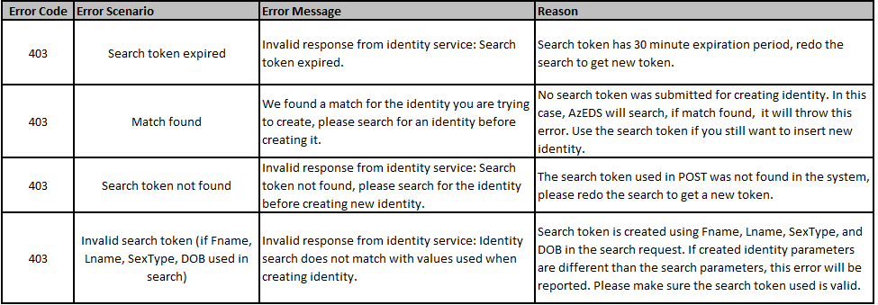
Education Organization

 | Retrieve asynchronous search results from a previously created request (The search token provided by a Find or Search request)
 |  | API Resource Name | Get | Post | Put | Delete | Related Table | Swagger URL
 |  | Identities/results/{id} |  |  |  |  | Click Here

 | Retrieve a single person record from their Unique Id (Unique Id of the identity to be retrieved)
 |  | API Resource Name | Get | Post | Put | Delete | Related Table | Swagger URL
 |  | Identities/{id} |  |  |  |  | Click Here
 |  | Returns either a single identity or 404 and no data

 | Creates a new Unique Id for the given Identity information (Identity object to be created.)
 |  | API Resource Name | Get | Post | Put | Delete | Related Table | Swagger URL
 |  | identities |  |  |  |  | Click Here | https://sandbox-rest-ui-r6.azeds.azed.gov/index.html?urls.primaryName=Other%3A%20Identity#/Identities/Identities_Create
 |  | Assumption here is that the user has verified that possible matches are not correct matches. Returns the created identity information along with the assigned Unique Id

 | Retrieve a multiple person records from their Unique Ids (Unique Ids of the persons to be retrieved)
 |  | API Resource Name | Get | Post | Put | Delete | Related Table | Swagger URL
 |  | identities/find |  |  |  |  | Click Here | https://sandbox-rest-ui-r6.azeds.azed.gov/index.html?urls.primaryName=Other%3A%20Identity#/Identities/Identities_Find

 | Lookup existing Unique Ids for a persons, or suggest possible matches (One or more identity search request objects)
 |  | API Resource Name | Get | Post | Put | Delete | Related Table | Swagger URL
 |  | identities/search |  |  |  |  | Click Here | https://sandbox-rest-ui-r6.azeds.azed.gov/index.html?urls.primaryName=Other%3A%20Identity#/Identities/Identities_Search

 |  |  |  |  |  |  | Table
 |  |  |  |  |  |  | Identities
 |  |  |  |  |  |  |  | Column Name | Data Type | Codes | Description
 |  |  |  |  |  |  |  | FirstName | nvarchar(75) |  | A name given to an individual at birth, baptism, or during another naming ceremony, or through legal change. National Education Data Model (NEDM): First Name
 |  |  |  |  |  |  | Optional | MiddleName | nvarchar(75) |  | A secondary name given to an individual at birth, baptism, or during another naming ceremony. National Education Data Model (NEDM): Middle Name
 |  |  |  |  |  |  |  | LastSurname | nvarchar(75) |  | The name borne in common by members of a family. National Education Data Model (NEDM): Last Name/Surname
 |  |  |  |  |  |  |  | BirthDate | date |  | The date in which the individual was born
 |  |  |  |  |  |  |  | SexType | int |  | The biological sex of the student.
 |  |  |  |  |  |  |  | SearchIntentType | int |  | Identity type being searched {1 : Student, 2 : Staff , 3 : Parent }
 |  |  |  |  |  |  | Optional | PriorEducationOrganizationId | nvarchar(75) |  | Any SchoolId of the Student's previous entollement since 2017
 |  |  |  |  |  | Optional | Relationship
A |  |  |  |  |  |  |  | Column Name | Data Type | Codes | Description
A |  |  |  |  |  |  |  | LastSurName | nvarchar(75) |  | A unique alpha-numeric code assigned to a student by the state.
A |  |  |  |  |  |  |  | FirstName | nvarchar(75) |  | A unique alpha-numeric code used soley for back-end purposes; a new ID is created for every enrollment each year.
A |  |  |  |  |  |  |  | RelationDescriptorId | nvarchar(75) | Table 33 | Mother, Father, Aunt, Uncle, Step-Mother, Step-Father, Grandmother, Grandfather

JSON Example:
Request and Response for identities/search
Request:
{
"BirthDate": "1998-01-09T00:00:00Z",
"FirstName": "John",
"GenerationCodeSuffix": "string",
"LastSurname": "Doe",
"MiddleName": "J",
"SexType": "string",
"PriorEducationOrganizationId": "5111",
"SearchIntentType": "Student",
"Relationships": [
{
"LastSurName": "Doe",
"FirstName": "John",
"RelationshipType": "Father"
},
{
"LastSurName": "Doe",
"FirstName": "Jane",
"RelationshipType": "Mother"
}
]
}
Response:
"status": "1",
"searchToken": "77d808a8-83f5-4706-9c9e-016fcac0a24a",
"searchResponses": {
"responses": {
"uniqueId": "35553121",
"score": "100",
"lastSurname": "Doe",
"firstName": "John",
"middleName": "J",
"sexType": "Unknown",
"birthDate": "1998-01-09T00:00:00Z",
"priorEducationOrganizationAssociation": [
{
"educationOrganizationId": "5111",
"schoolName":"San Marcos Elementary School"
"grade": "5",
"schoolYear": "2020"
},
{
"educationOrganizationId": "5111",
"schoolName":"San Marcos Elementary School"
"grade": "4",
"schoolYear": "2019"
},
{
"educationOrganizationId": "5111",
"schoolName":"San Marcos Elementary School"
"grade": "3",
"schoolYear": "2018"
},
],
"cohort":"",
"otherNames": [
{
"firstName": "Johnn",
"lastSurName": "Doe"
},
{
"firstName": "Jnn",
"lastSurName": "Doe"
},
{
"firstName": "Jon",
"lastSurName": "Doe"
}
]
}
}

 | Identity Create Error Scenarios

